Initial Sizing Estimation
Design Requirements |  | Design Variables (Comp. Ass.) |  |  | Unknowns |  |  |  |  |  | AWE | BWf | CWTO | D |  | Solution
Wpl (lbm) | 23200 | SFC (lbm/lbf * hr) | L/D | EWF | WE | Wf | WTO | z | k |  | -1 | -1 | 1 | 23200 | I | 4358.468662 | WE
R (nmi) | 1700 | 0.1 | 7 | 0.15 | 4358.468662 | 1497.9890848 | 29056.457747 | 0.20155442889 | 1.0543567606 |  | 0 | -1.0543567606 | 0.054356760645 | 0 | II | 1497.9890848 | Wf
Vcruise (knots) | 458.8194336 | 0.2 | 8.4444444444 | 0.21666666667 | 7187.9382353 | 2787.1613124 | 33175.099548 | 0.30068031999 | 1.0917193293 |  | -1 | 0 | 0.15 | 0 | III | 29056.457747 | WTO
Vstall (knots) | 52.13857 | 0.3 | 9.8888888889 | 0.28333333333 | 10769.776736 | 4041.1999792 | 38010.976715 | 0.38964999048 | 1.1189645728
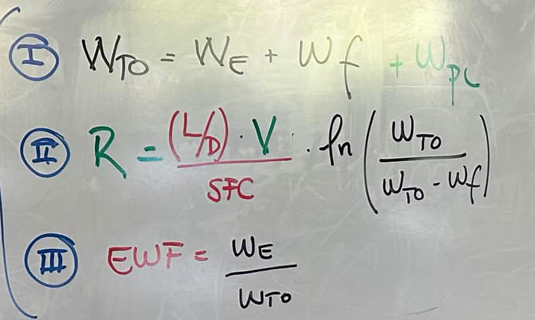
STO (ft) | 5700 | 0.4 | 11.333333333 | 0.35 | 15395.72293 | 5392.0568705 | 43987.779801 | 0.47258079164 | 1.1397060726
 |  | 0.5 | 12.777777778 | 0.41666666667 | 21559.624472 | 6983.4742608 | 51743.098733 | 0.55163102775 | 1.1560217348
 |  | 0.6 | 14.222222222 | 0.48333333333 | 30146.659447 | 9025.7394092 | 62372.398856 | 0.62804060088 | 1.1691903392
 |  | 0.7 | 15.666666667 | 0.55 | 42901.183133 | 11900.968018 | 78002.151151 | 0.70257230528 | 1.1800416793
 |  | 0.8 | 17.111111111 | 0.61666666667 | 63789.617613 | 16453.005543 | 103442.62316 | 0.7757210781 | 1.1891375775
 |  | 0.9 | 18.555555556 | 0.68333333333 | 104176.27782 | 25076.811671 | 152453.08949 | 0.84782204101 | 1.1968719145
 |  | 1 | 20 | 0.75 | 215107.37833 | 48502.459443 | 286809.83777 | 0.91911016658 | 1.2035289876

 |  | test
 |  | 0.5 | 15 | 0.3 | 11921.546158 | 4616.9410359 | 39738.487194 | 0.41618311018 | 1.1314560872

For a carpet plot, hold a specific SFC, then vary L/D and EWF. Below is the result for W_{TO}:
Helper Grid for Carpet Plots:
SFC | 0.63
EWF L/D | 0.56 | 0.57 | 0.58 | 0.59 | 0.6 | 0.61 | 0.62 | 0.63 |  | Offset | 0.01
13 | 84167.866101 | 87336.364118 | 90752.749988 | 94447.298285 | 98455.422714 | 102818.81491 | 107586.90006 | 112818.71733 |  | 13 | 0.56 | 0.57 | 0.58 | 0.59 | 0.6 | 0.61 | 0.62 | 0.63
14 | 80998.175379 | 83928.367013 | 87078.521367 | 90474.372477 | 94145.831542 | 98127.870313 | 102461.63858 | 107195.89146 |  | 14 | 0.57 | 0.58 | 0.59 | 0.6 | 0.61 | 0.62 | 0.63 | 0.64
15 | 78408.277911 | 81150.908509 | 84092.361766 | 87255.070809 | 90664.975489 | 94352.235452 | 98352.124597 | 102706.16311 |  | 15 | 0.58 | 0.59 | 0.6 | 0.61 | 0.62 | 0.63 | 0.64 | 0.65
16 | 76252.545306 | 78843.946871 | 81617.679628 | 84593.688492 | 87794.937454 | 91248.003291 | 94983.815134 | 99038.583454 |  | 16 | 0.59 | 0.6 | 0.61 | 0.62 | 0.63 | 0.64 | 0.65 | 0.66
17 | 74430.327181 | 76897.350882 | 79533.522069 | 82356.854261 | 85388.012941 | 88650.822232 | 92172.892359 | 95986.402868 |  | 17 | 0.6 | 0.61 | 0.62 | 0.63 | 0.64 | 0.65 | 0.66 | 0.67
18 | 72869.837187 | 75232.857033 | 77754.269018 | 80450.550816 | 83340.547788 | 86445.914096 | 89791.656252 | 93406.807973 |  | 18 | 0.61 | 0.62 | 0.63 | 0.64 | 0.65 | 0.66 | 0.67 | 0.68
19 | 71518.501855 | 73793.324268 | 76217.613522 | 78806.601049 | 81577.660598 | 84550.698613 | 87748.633199 | 91197.986055 |  | 19 | 0.62 | 0.63 | 0.64 | 0.65 | 0.66 | 0.67 | 0.68 | 0.69
20 | 70336.938207 | 72536.060805 | 74877.135127 | 77374.363876 | 80043.909827 | 82904.246031 | 85976.583904 | 89285.400153 |  | 20 | 0.63 | 0.64 | 0.65 | 0.66 | 0.67 | 0.68 | 0.69 | 0.7

